scoresheet
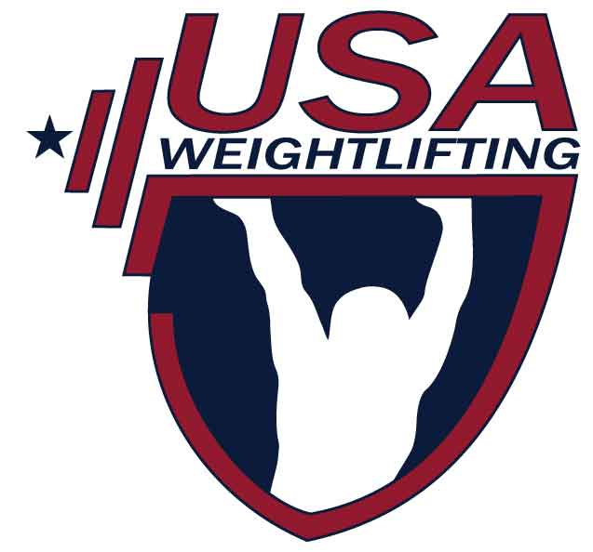
USA WEIGHTLIFTING
 |  |  |  |  |  |  |  |  |  |  |  |  |  |  |  |  |  |  |  | 1 Olympic Plaza
 |  |  |  |  |  |  |  |  |  |  |  |  |  |  |  |  |  |  |  | Colorado Springs, CO 80909
 |  |  |  |  |  |  |  |  |  |  |  |  |  |  |  |  |  |  |  | (719) 866-4508
The National Governing Body for Weightlifting in the United States
 |  |  |  |  |  |  |  |  |  |  |  |  |  |  |  |  |  |  |  | Fax (719) 866-4741
 |  |  |  |  |  |  |  |  |  |  |  |  |  |  |  |  |  |  |  | http://weightlifting.teamusa.org
 |  |  |  |  |  |  |  |  |  |  |  |  |  |  |  |  |  |  |  | e-mail: usaw@usaweightlifting.org
 |  |  |  |  |  | SCORESHEET

 |  |  | Competition: | 2019 Swagler Strength Spring Open |  |  |  |  |  |  |  | Location: | (city, state) |  | Auburn, NY
 |  |  | Date: | 2019-05-11 |  | Group: |  |  |  |  |  | Sanction #: | 06-19-222617

Lot |  | Member |  | Wt | Name | Year of |  | Body | Snatch |  |  | Best |  | Clean & Jerk |  | Best
No. | Gndr | ID | Div | Class | (Please print legibly) | Birth | Team | Wt | 1 | 2 | 3 | Sna | 1 | 2 | 3 | C&J | Total | Place | Points | Sinclair
 | F | 1041922 |  | 59 Kg | Faith Wyand | 4/22/2004 | Chosen Barbell Club | 58.9 | 39 | 43 | 48 | 48 | 53 | 58 | 63 | 63 | 111 | 1
 | F | 1016008 |  | 64 Kg | Olivia Hale | 9/29/2003 | Camillus Barbell | 61.7 | 55 | 58 | 62 | 58 | 65 | 68 | 71 | 68 | 126 | 1
 | F | 1038019 |  | 64 Kg | Emily Grossi | 6/2/1996 | Cayuga Weightlifting Club | 63.1 | 38 | 41 | 45 | 45 | 48 | 53 | 57 | 53 | 98 | 2
 | F | 1001256 |  | 71 Kg | Stacy DeForrest | 3/29/1976 | Swagler Strength Barbell Club | 69 | 45 | 48 | 50 | 50 | 63 | 66 | 70 | 66 | 116 | 1
 | F | 1041785 |  | 71 Kg | Rose Heagney | 3/19/2006 | Chosen Barbell Club | 68.9 | 39 | 43 | 46 | 46 | 50 | 54 | 56 | 56 | 102 | 2
 | F | 1041672 |  | 76 Kg | Melanie Dun Moodie | 4/12/1976 | Chosen Barbell Club | 74.9 | 43 | 47 | 50 | 50 | 60 | 65 | 65 | 65 | 115 | 1
 | F | 1024028 |  | 76 Kg | Mary Ann Pierce | 4/28/1963 | SYRACUSE BARBELL CLUB | 74.4 | 30 | 33 | 37 | 33 | 43 | 47 | 52 | 47 | 80 | 2
 | F | 200414 |  | 87 Kg | Sarah Fredette | 2/19/1992 | Sage's Gym | 85.5 | 64 | 67 | 70 | 70 | 78 | 81 | 84 | 84 | 154 | 1
 | M | 1025906 |  | 49 Kg | Trever Weeden | 11/26/2006 | EAST COAST GOLD W/L TEAM | 45.85 | 35 | 37 | 40 | 40 | 44 | 47 | 50 | 50 | 90 | 1
 | M | 1005828 |  | 73 Kg | Anthony Nguyen | 11/14/1999 | EAST COAST GOLD W/L TEAM | 72.05 | 100 | 104 | 104 | 100 | 111 | 111 | 117 | 111 | 211 | 1
 | M | 1035727 |  | 73 Kg | Tiklung Chan | 2/1/2000 | Cayuga Weightlifting Club | 70.6 | 81 | 81 | 86 | 81 | 108 | 113 | 120 | 113 | 194 | 2
 | M | 1015613 |  | 73 Kg | Keegan Reardon | 4/22/2002 | Camillus Barbell | 69.65 | 75 | 78 | 80 | 80 | 90 | 95 | 100 | 95 | 175 | 3
 | M | 207438 |  | 81 Kg | Nathan Jue | 4/26/1996 | Cayuga Weightlifting Club | 80.2 | 101 | 101 | 101 | 101 | 125 | 130 | 133 | 130 | 231 | 1
 | M | 1041805 |  | 81 Kg | Benjamin Schoenfelder | 2/20/1974 | Chosen Barbell Club | 80.05 | 70 | 70 | 70 | 0 | 90 | 93 | 95 | 95 | 95 | 2
 | M | 1041967 |  | 89 Kg | Ethan Taylor | 12/4/1997 | Chosen Barbell Club | 83.6 | 75 | 82 | 90 | 90 | 95 | 102 | 110 | 110 | 200 | 1
 | M | 1041661 |  | 89 Kg | Ethan Grant | 3/21/2000 | Cayuga Weightlifting Club | 64 | 69 | 72 | 72 | 72 | 90 | 96 | 102 | 102 | 174 | 2
 | M | 1024565 |  | 89 Kg | Kyle Harms | 5/26/1983 | Cayuga Weightlifting Club | 87.8 | 70 | 74 | 78 | 78 | 85 | 90 | 91 | 85 | 163 | 3
 | M | 1036214 |  | 89 Kg | Brandon Jackel | 7/27/1983 | Chosen Barbell Club | 82.9 | 73 | 74 | 77 | 77 | 100 | 101 | 102 | 0 | 77 | 4
 | M | 1041781 |  | 96 Kg | Conrad Smart | 3/17/1995 | Cayuga Weightlifting Club | 93.35 | 92 | 97 | 98 | 98 | 105 | 110 | 120 | 120 | 218 | 1
 | M | 1041779 |  | 96 Kg | Riley Williams | 9/22/2004 | Chosen Barbell Club | 94.65 | 50 | 53 | 53 | 53 | 65 | 67 | 72 | 72 | 125 | 2
 | M | 201130 |  | 102 Kg | John Mata | 12/2/1983 |  | 101.4 | 107 | 111 | 118 | 111 | 130 | 133 | 145 | 133 | 244 | 1
 | M | 1017140 |  | 102 Kg | John Reardon | 2/24/1997 | Camillus Barbell | 100.2 | 98 | 101 | 104 | 101 | 120 | 126 | 131 | 126 | 227 | 2
 |  | REFEREES |  | Stacy Deforrest |  |  |  |  |  |  |  |  |  | MEET DIRECTOR | Jamie Swagler
 |  |  |  | Jamie Swagler
 |  |  |  | Craig Jacobs |  |  |  |  |  |  |  |  |  | DATE | 2019-05-11
 |  |  |  | Mary Storch

 |  |  |  |  | PLEASE EMAIL COMPLETED FORM IN EXCEL OR CSV FORMAT TO: usaw@usaweightlifting.org

